Risk and uncertainty
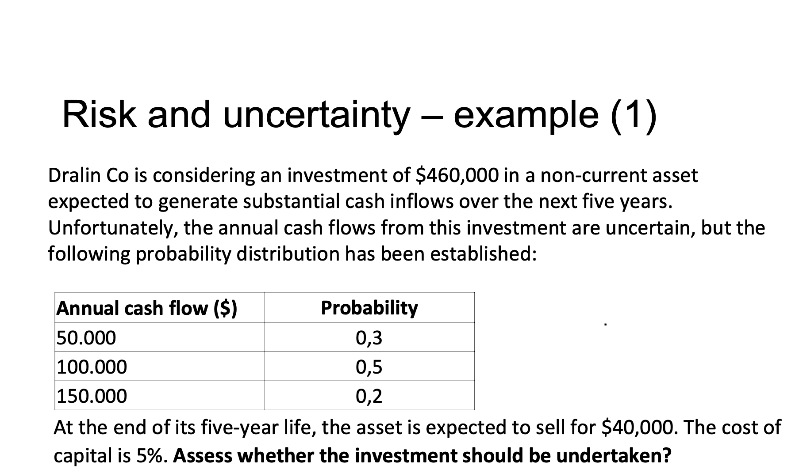
year | 0 | 1 | 2 | 3 | 4 | 5
annual cash flow |  | 50000 | 50000 | 50000 | 50000 | 50000
investment | -460000 |  |  |  |  | 40000
Free cash flow | -460000 | 50000 | 50000 | 50000 | 50000 | 90000
DF@ 5 % | 1 | 0.95238095238 | 0.90702947846 | 0.86383759853 | 0.82270247479 | 0.78352616647
NPV | -212185.11981

average expected NPV |  | -17359
this project doesn’t acceptable

 |  | project | initial outlay $ | Inflow per year
 |  | e | 4000 | 900
 |  | f | 4000 | 1000
 |  | g | 10000 | 3500
 |  | h | 12000 | 3600
 |  | i | 18000 | 4600

Risk 2
Risky Cf s

year | 0 | 1 | 2 | 3
CFs | -10000 | 7000 | 5000 | 5000
df 10 % | 1 | 0.90909090909 | 0.82644628099 | 0.7513148009
NPV | 4252

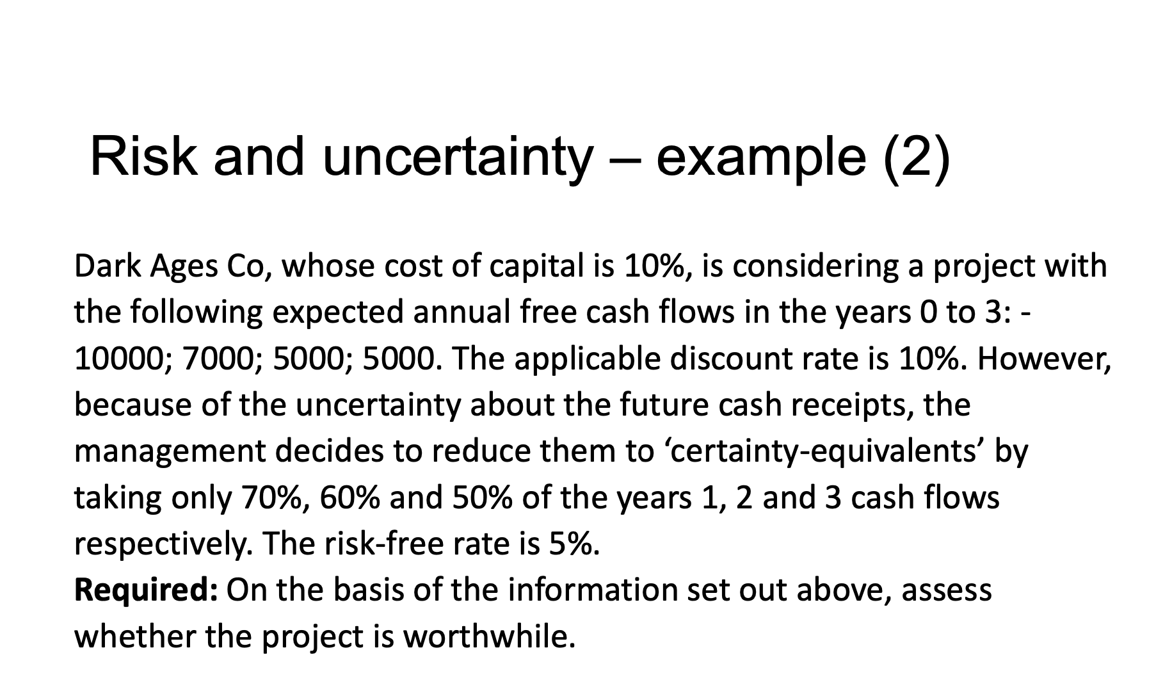

Risk free CFs
 | 70% | 60% | 50%

year | 0 | 1 | 2 | 3
CFs | -10000 | 4900 | 3000 | 2500
df 10% | 1 | 0.95238095238 | 0.90702947846 | 0.86383759853
NPV | -453

Sensitivty analysis
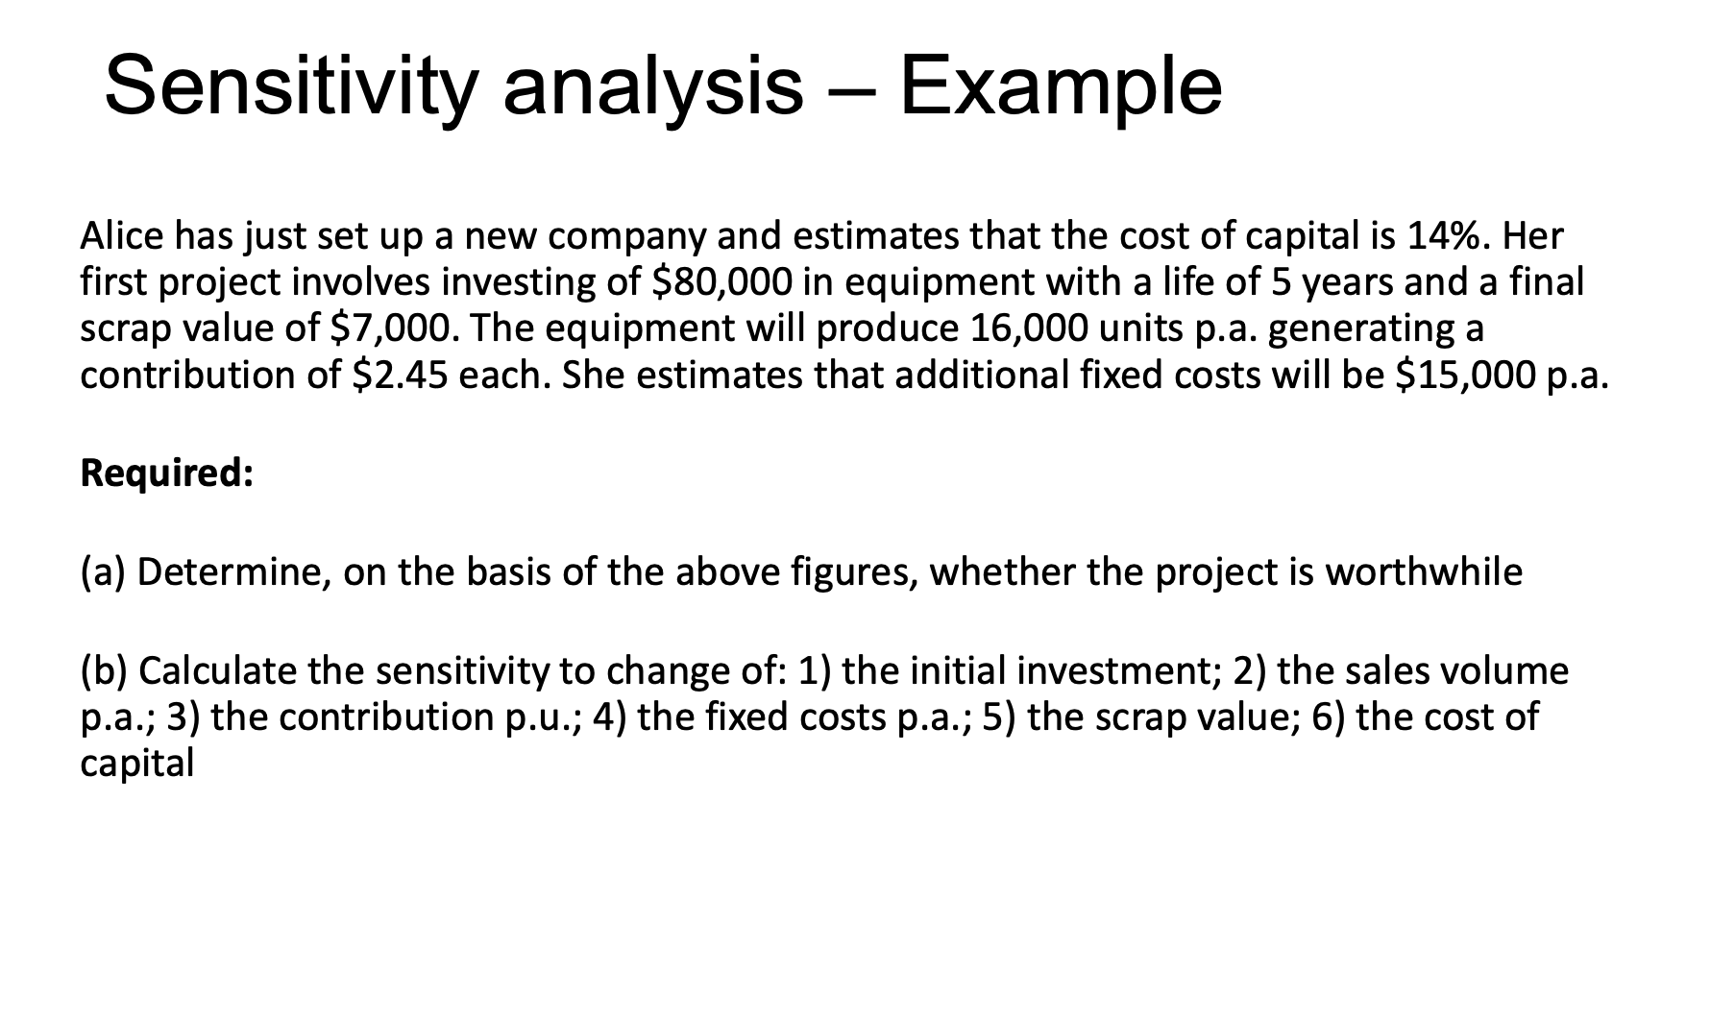
year | 0 | 1 | 2 | 3 | 4 | 5
Investment | -80000 |  |  |  |  | 7000
contribution |  | 39200 | 39200 | 39200 | 39200 | 39200
additional fixed costs |  | -15000 | -15000 | -15000 | -15000 | -15000
Free cash flow | -80000 | 24200 | 24200 | 24200 | 24200 | 31200
df @ 14% | 1 | 0.87719298246 | 0.76946752847 | 0.6749715162 | 0.59208027737 | 0.51936866436
npv | 6716.1400969

sensitivity project NPV to
initial investment | -0.083951751211 | 8:04:00 | %
Sales | 5% | 5 | % | s
contrtibution | 5%
fixed cost | -13% | 13 | %
scrap value | 185%
cost capital | 21% |  |  |  |  |  | contribution | production cost - sales | production cost | variable cost
IRR | #NUM! | 17%

Sheet8
